Scores
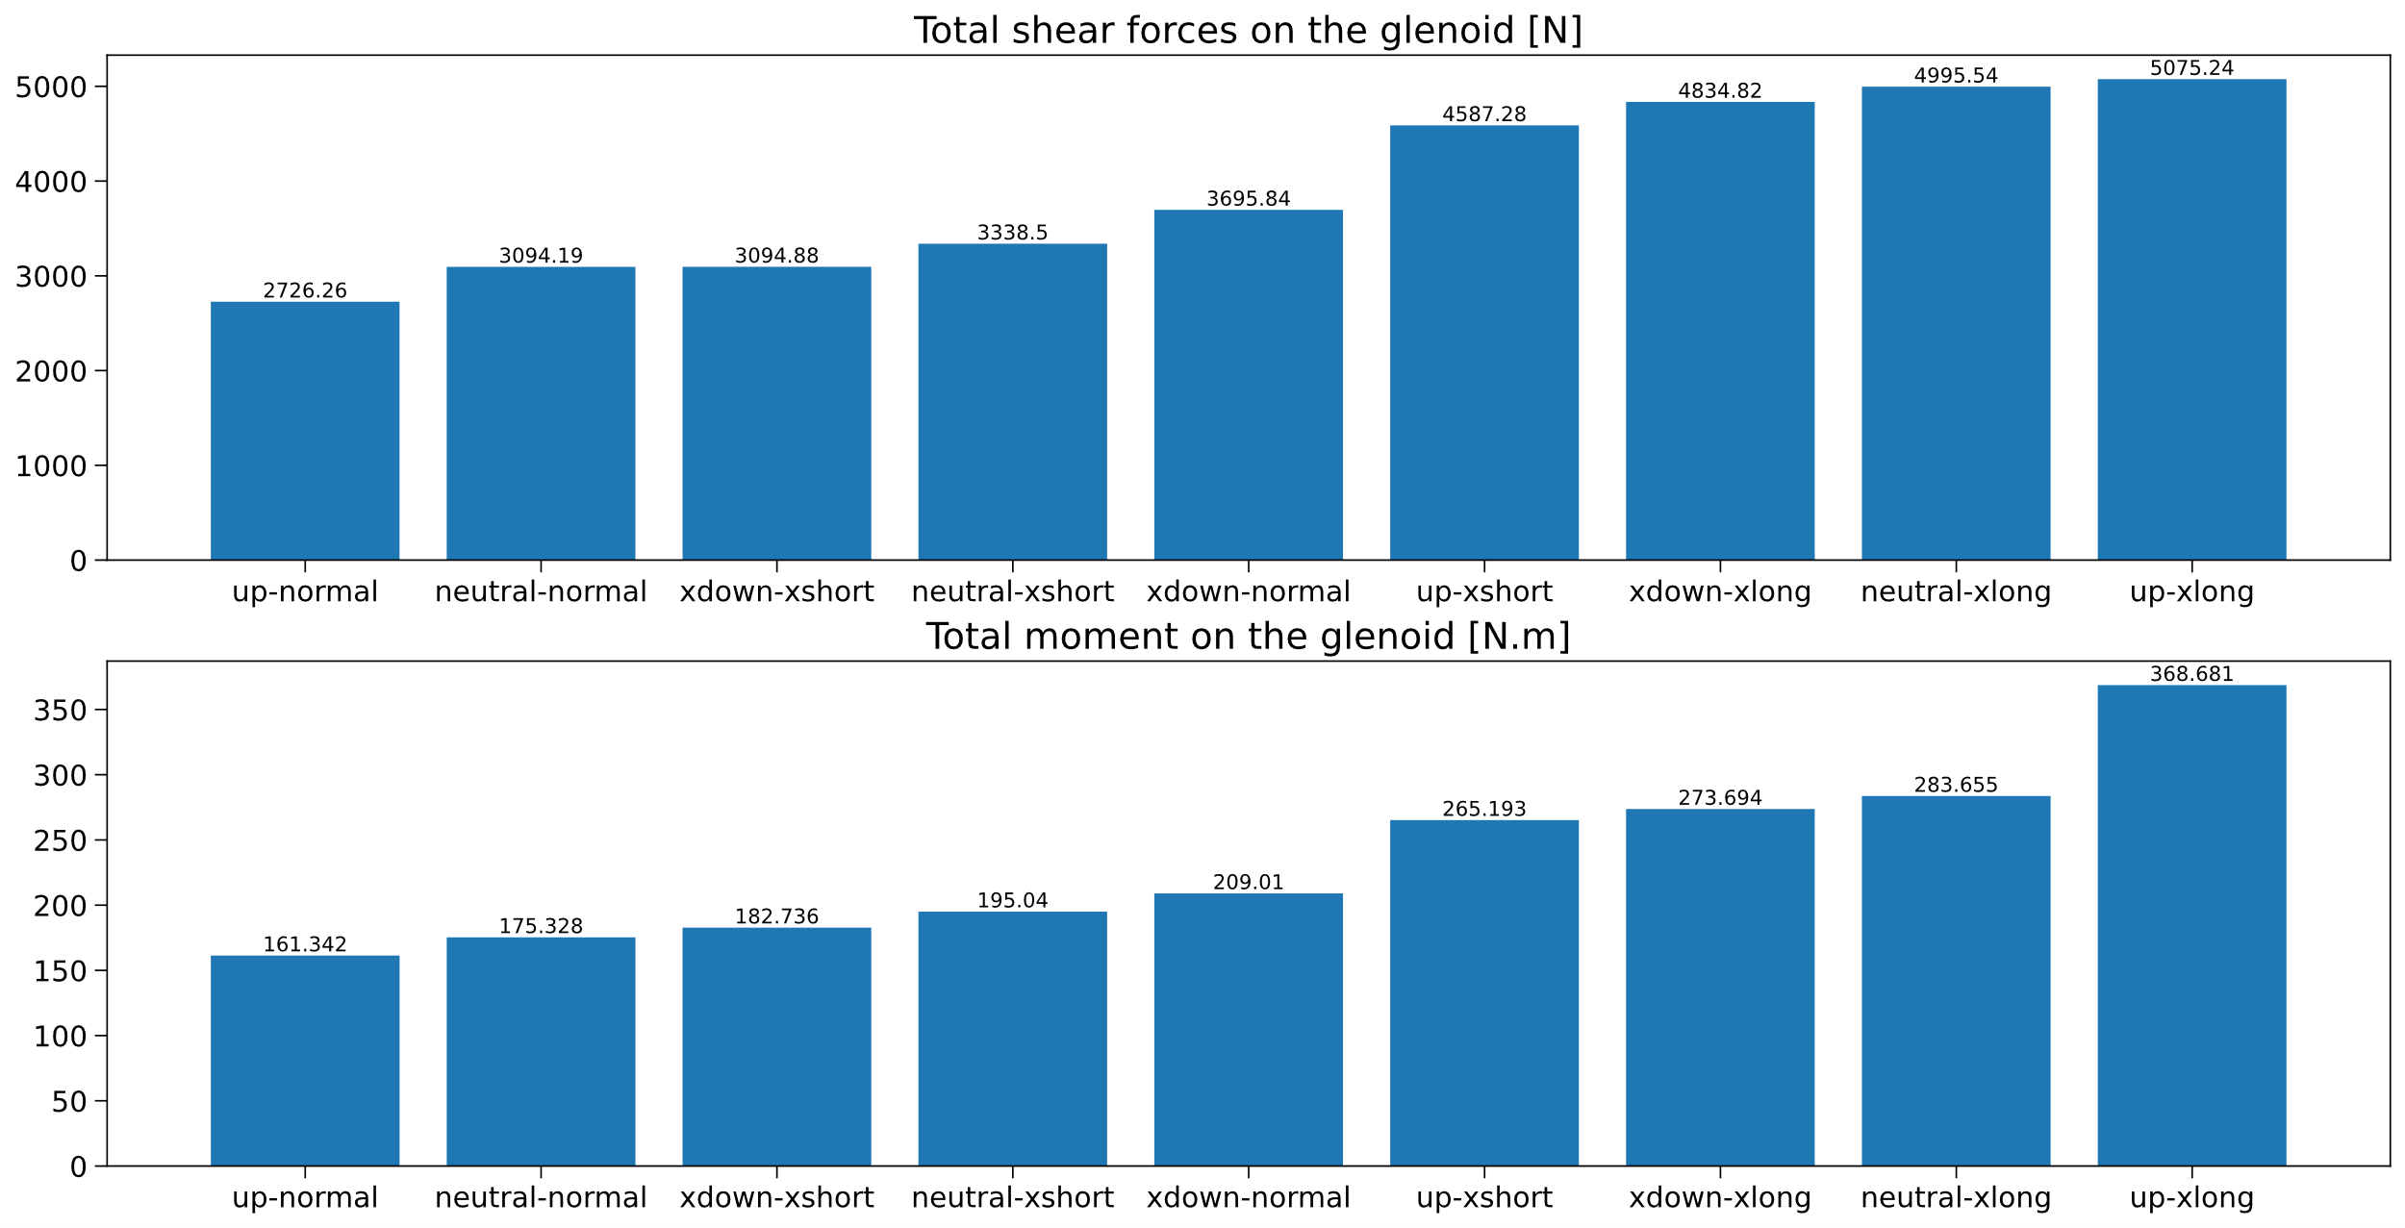
Total moment on the glenoid [N.m] |  |  |  |  |  | Total shear forces on the glenoid [N]
Glenoid | Acromion lengthening [mm] |  |  |  |  | Glenoid | Acromion lengthening [mm]
Inclination | -12.1 | -6.6 | 0 | 7.85 | 16.95 | Inclination | -12.1 | -6.6 | 0 | 7.85 | 16.95
-8.7° | 107 | 97 | 119 | 142 | 155 | -8.7° | 3095 | 2993 | 3696 | 4418 | 4835
-3.0° | 105 | 85 | 108 | 142 | 157 | -3.0° | 3063 | 2442 | 3361 | 4424 | 4881
0° | 113 | 83 | 100 | 145 | 161 | 0° | 3338 | 2382 | 3094 | 4506 | 4996
2.9° | 126 | 85 | 93 | 148 | 167 | 2.9° | 3749 | 2460 | 2767 | 4609 | 5140
9.0° | 153 | 99 | 95 | 155 | 255 | 9.0° | 4587 | 2940 | 2726 | 4807 | 5075
15.2° | 160 | 116 | 112 | 168 | 271 | 15.2° | 4831 | 3458 | 3290 | 5193 | 5518

Total moment AP on the glenoid [N.m] |  |  |  |  |  | Total AP shear forces on the glenoid [N]
Glenoid | Acromion lengthening [mm] |  |  |  |  | Glenoid | Acromion lengthening [mm]
Inclination | -12.1 | -6.6 | 0 | 7.85 | 16.95 | Inclination | -12.1 | -6.6 | 0 | 7.85 | 16.95
-8.7° | 70 | 67 | 79 | 94 | 100 | -8.7° | 994 | 963 | 1302 | 1595 | 1812
-3.0° | 60 | 52 | 76 | 98 | 105 | -3.0° | 1257 | 859 | 1058 | 1461 | 1719
0° | 60 | 44 | 73 | 102 | 110 | 0° | 1511 | 1059 | 893 | 1408 | 1691
2.9° | 64 | 37 | 67 | 107 | 116 | 2.9° | 1822 | 1338 | 741 | 1364 | 1672
9.0° | 69 | 32 | 54 | 118 | 150 | 9.0° | 2482 | 1970 | 1101 | 1251 | 1163
15.2° | 61 | 30 | 56 | 135 | 203 | 15.2° | 2993 | 2533 | 1598 | 1099 | 1737

Total moment IS on the glenoid [N.m] |  |  |  |  |  | Total IS shear forces on the glenoid [N]
Glenoid | Acromion lengthening [mm] |  |  |  |  | Glenoid | Acromion lengthening [mm]
Inclination | -12.1 | -6.6 | 0 | 7.85 | 16.95 | Inclination | -12.1 | -6.6 | 0 | 7.85 | 16.95
-8.7° | 37 | 30 | 39 | 48 | 55 | -8.7° | 2101 | 2030 | 2394 | 2823 | 3023
-3.0° | 45 | 33 | 32 | 44 | 52 | -3.0° | 1806 | 1584 | 2303 | 2963 | 3161
0° | 53 | 39 | 27 | 42 | 52 | 0° | 1828 | 1323 | 2201 | 3098 | 3304
2.9° | 62 | 48 | 26 | 41 | 51 | 2.9° | 1928 | 1122 | 2026 | 3245 | 3468
9.0° | 83 | 67 | 41 | 38 | 105 | 9.0° | 2105 | 970 | 1626 | 3556 | 3912
15.2° | 100 | 85 | 56 | 33 | 68 | 15.2° | 1838 | 925 | 1692 | 4093 | 3781

